Hoja1
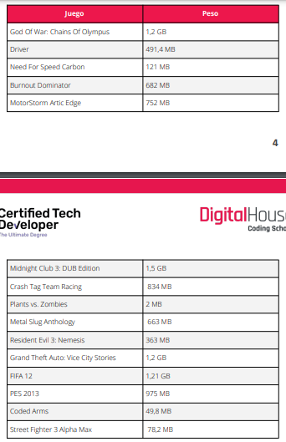
PSP con un disco de 6GB
 |  |  | Equivalencia GB
God Of War: Chains Of Olympus |  | 1,2 GB
Driver |  | 491,4 MB | 0.480
Burnout Dominator |  | 682 MB | 0.666
MotorStorm Artic Edge |  | 752 MB | 0.734
Crash Tag Team Racing 834 MB |  | 834 MB | 0.814
Plants vs. Zombies 2 MB |  | 2MB | 0.002
Metal Slug Anthology 663 MB |  | 663 MB | 0.647
Resident Evil 3: Nemesis 363 MB |  | 363 MB | 0.354
FIFA 12 1,21 GB |  | 1,21 GB | 1.210
PES 2013 975 MB |  | 975 MB | 0.952
Coded Arms 49,8 MB |  | 49,8 MB | 0.049
Street Fighter 3 Alpha Max 78,2 MB |  | 78,2 MB | 0.076
 |  |  | 5.99

TABLA REFERENCIA |  | 1GB | 1024 MB
 |  |  | 491,4 MB
1 kilobytes | 1024 bytes
1 megabytes | 1024 kb
1 gigabyte | 1024 MB
1 terabyte | 1024 GB

No instalaria
Need For Speed Carbon |  | 121 MB
Midnight Club 3: DUB Edition 1,5 GB |  | 1,5 GB
Grand Theft Auto: Vice City Stories 1,2 GB |  | 1,2 GB

